Title
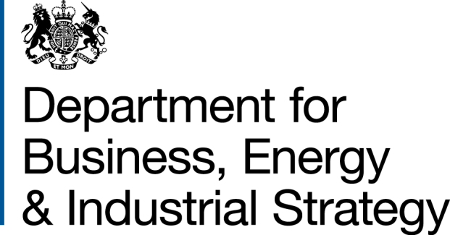
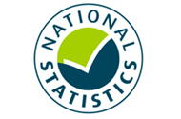

 | Household Energy Efficiency
 | Statistics

Please direct all press enquiries to Press Officer 020 7215 5975

Responsible Statistician
Stephen Oxley
EnergyEfficiency.Stats@beis.gov.uk
0300 068 5025

This workbook was updated on 19 March 2020

Further Info
Further information
© Crown copyright 2020. You may re-use this information (not including logos) free of charge in any format or medium, under the terms of the Open Government Licence.
To view this licence, visit www.nationalarchives.gov.uk/doc/open-government-licence/
or write to the Information Policy Team, The National Archives, Kew, London TW9 4DU, or email: psi@nationalarchives.gsi.gov.uk.
Any enquiries or comments in relation to this statistical release should be sent to the Household Energy Efficiency Statistics Team at the following email address: EnergyEfficiency.Stats@beis.gov.uk or following contact telephone: 0300 068 5025. The statistician responsible for this publication is Stephen Oxley.
This document is also available from our website at: https://www.gov.uk/government/collections/household-energy-efficiency-national-statistics
Further information on energy statistics is available at: https://www.gov.uk/government/organisations/department-for-business-energy-and-industrial-strategy/about/statistics
For more up to date information throught the year please see the latest headline report
https://www.gov.uk/government/collections/household-energy-efficiency-national-statistics#headline-releases
Revision Policy
As with any data collection with a short time lag between data receipt and published release, there may be some data quality issues to resolve. Therefore data in these headline releases should be treated as provisional and subject to revision. Any revisions will be marked in the data tables and for any significant revisions we will provide an explanation of the main reasons.
Methodology Note and Background Quality Report
The statistics presented in this report are used by a wide range of organisations. Please see the accompanying methodology note and the background quality report (summarising the quality assurance relating to the statistics) for more details: https://www.gov.uk/government/publications/household-energy-efficiency-statistics-methodology-note
National Statistics
This is a National Statistics publication. The United Kingdom Statistics Authority has designated these statistics as National Statistics, in accordance with the Statistics and Registration Service Act 2007 and signifying compliance with the UK Statistics Authority: Code of Practice for Statistics. The Statistics Authority published its report on 12 June 2014: https://www.statisticsauthority.gov.uk/assessment/assessment-report/index.html
Designation can be broadly interpreted to mean that the statistics:
• meet identified user needs
• are well explained and readily accessible
• are produced according to sound methods, and
• are managed impartially and objectively in the public interest
Once statistics have been designated as National Statistics it is a statutory requirement that the Code of Practice shall continue to be observed.

Summary
Overall Summary
Introduction
This release presents the latest statistics on the Energy Company Obligation (ECO) and the Green Deal (GD).
Key points
Energy Efficiency Measures, Households and Carbon Savings
The Government has established a target to upgrade around 1 million homes between May 2015 and April 2020. With four months of the target period remaining, around 963,900 homes have had at least one improvement measure installed under ECO or the Green Deal (Infographic 1, Table 1.3).
Around 2.8 million measures were installed in around 2.1 million properties through ECO and under the Green Deal Framework to the end of December 2019. Around 2.7 million of these installed measures (97 per cent) were delivered through ECO (Tables 1.1 and 1.2).
In Q4 2019, around 80,000 measures were installed through ECO in around an additional 37,000 households (Tables 3.3 and 4.1).
The provisional estimated lifetime carbon savings of measures installed by the end of December 2019, under ECO (including Affordable Warmth), Cashback, GDHIF and GD Plans was up to 50.5 MtCO2 with provisional estimated lifetime energy savings up to 195,600 GWh (Table 1.4).
ECO Measures Installed and Households
Provisional figures show there were around 2.67m measures installed in 2.06m households under ECO up to the end of December 2019 (Tables 2.3 to 2.8).
Since the start of ECO3 in October 2018, 238,100 measures have been installed, including 28,200 measures installed in December 2019, the highest monthly delivery to date under ECO3 and provisionally a nine per cent increase in the number of measures compared to November 2019 (Table 2.5). The December 2019 delivery is the second highest monthly total since the start of ECO Help-to-Heat in April 2017. Suppliers have until March 2022 to deliver their obligations.
Over the months to date of ECO3, an average of 15,900 measures have been delivered per month while over the last six months (July – December 2019) an average of 23,100 measures have been delivered. This is the highest final six months of a year since 2015, exceeding even the last six months of 2016 when the ECO obligation was larger.
Of all notified ECO measures installed to end of December 2019, 66 per cent of measures have been insulation measures, including cavity wall insulation (34 per cent), loft insulation (23 per cent), solid wall insulation (seven per cent) and 'other insulation' (two per cent). The remainder are mostly heating measures, with 23 per cent boiler measures and a further 12 per cent for ‘other heating’ measures (Tables 2.6, 2.7 and 2.8 and Infographic 2).
The share of 'heating' measures has increased in ECO3 compared to the previous ECO phases, with boiler measures representing 30 per cent of measures and a further 20 per cent from ‘other heating’ measures up to December 2019. This is due to the Affordable Warmth obligation, the only sub-obligation to include boilers, making up the whole of ECO3. Of all notified ECO3 measures installed to end of December 2019, 19 per cent were for cavity wall insulation, 13 per cent were for loft insulation and six per cent were for solid wall insulation. These are much higher than the share of insulation measures through Affordable Warmth across all ECO phases, where eight per cent were for cavity wall insulation, nine per cent were for loft insulation and two per cent were for solid wall insulation.
In ECO3, the share of other insulation has increased to 13 per cent. This is due to under floor insulation being the most popular associated insulation measure with a broken boiler. To date, the scheme has delivered 33,100 broken boiler replacements with an associated insulation measure, which has been under floor insulation in 82 per cent of cases (Tables 2.6, 2.7 & 2.8, Chart 2a & 2b).
Through ECO, the combination of Affordable Warmth and the Carbon Savings Community Obligation have delivered around 1.59 million measures in around 1.15 million low income and vulnerable households, or households in specified areas of low income, by the end of December 2019 (Tables 2.6, 2.7 & 2.8). Since the start of April 2017, around 382,100 Affordable Warmth measures have been installed in around 255,500 low income and vulnerable households (Tables 2.7 and 2.8).
Up to the end of December 2019, around one fifth (18 per cent) of ECO measures were in the North West (487,100), the highest in any region. Thirteen per cent of ECO measures were installed in Scotland (336,900) and five per cent were in Wales (146,200). In Q4 2019 around 19 per cent of ECO measures were in the North West (14,900), the highest in any region. Twelve per cent of ECO measures were installed in Scotland (9,800) and around five per cent were in Wales (4,400) (Infographic 3, Table 3.3).
Around eight per cent of all households in Great Britain had a measure installed under ECO (i.e. around 77 per 1,000 households), up to the end of December 2019. The North West and North East regions had the highest amounts in England, with 116 and 102 households with ECO measures per 1,000 households respectively. There were also around 114 measures per 1,000 households in Scotland and 80 per 1,000 households in Wales (Map 1, Table 4.1 and Table 4.4).
In total, to the end December 2019, around 85 per cent of ECO measures were installed in properties that used gas as their main fuel type (around 2,263,800 measures). This figure has decreased from 97 per cent in the first quarter of ECO to 59 per cent in the last quarter of ECO Help-to-Heat (Q3 2018) before rising to 83 per cent in Q4 2019 (Chart 3, Table 3.2).
Around 1,109,100 Affordable Warmth ECO measures installed up to the end of December 2019 are estimated to deliver £13.3bn worth of notional lifetime bill savings. In Q4 2019, Affordable Warmth delivered around 80,000 measures, resulting in around £691m of lifetime bill savings (Chart 4, Table 2.1).
Local Authorities can determine eligible homes under the ‘flexible eligibility’ mechanism. The Affordable Warmth Obligation is measured through lifetime savings and up to 25 per cent of the ECO3 obligation can be delivered through ‘Flexible Eligibility’. Up to December 2019, 141 local authorities had seen 50 or more measures installed through Flexible Eligibility, 35 of which had over 500 measures installed. The South West region had the highest share in England, with 18 per cent of the flex measures installed in Great Britain. Scotland also had 18 per cent of the flex measures, whereas Wales had 16 per cent (Table 3.5).
Since the introduction of Flexible Eligibility, 61,300 measures have been delivered through this aspect of the scheme up to the end of December 2019 (Tables 2.7 & 2.8). Under ECO3, up to 25 per cent of the obligation can be delivered through Flex, with around 19 per cent of this obligation delivered through Flex up to the end of December 2019 (Chart 5).
The total ECO delivery costs up to the end of December 2019 were around £4.19bn, with an additional £450m in administrative costs. This meant that the total cost of ECO for the period was £4.64 billion. (Table 6.1). The delivery costs for ECO3 up to the end of December 2019 were 406m with 43 per cent of these to fund boiler and other heating systems. (Chart 8)
Green Deal Plans
Green Deal (GD) Plans – there were 13,867 ‘live’ or ‘completed’ GD Plans in unique homes at the end of January 2020. Of these, 11,190 were ‘live’ (all measures installed) and 2,677 were 'completed' (all measures installed and paid off). At the end of January 2020, 81 per cent of all plans were 'live'. Over the last three months (November 2019 - January 2020) 164 plans were ‘completed’, compared to 124 completions in the previous three months (Table 7.1).

Charts
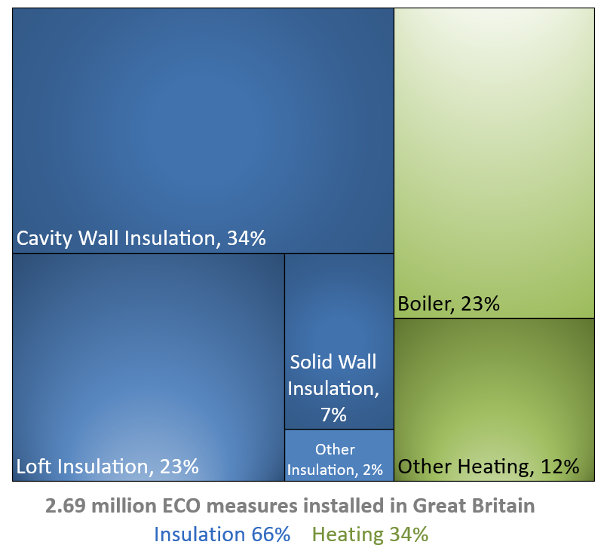
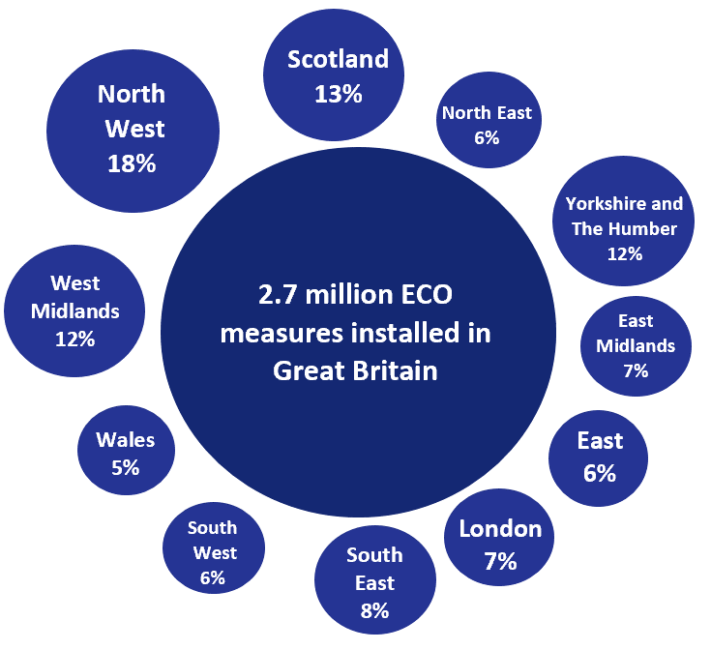
Chart 1: ECO measures installed, by obligation, by month, up to end January 2020 | Chart 2a: Share of all ECO measures installed, by measure type, by ECO phase, up to end January 2020
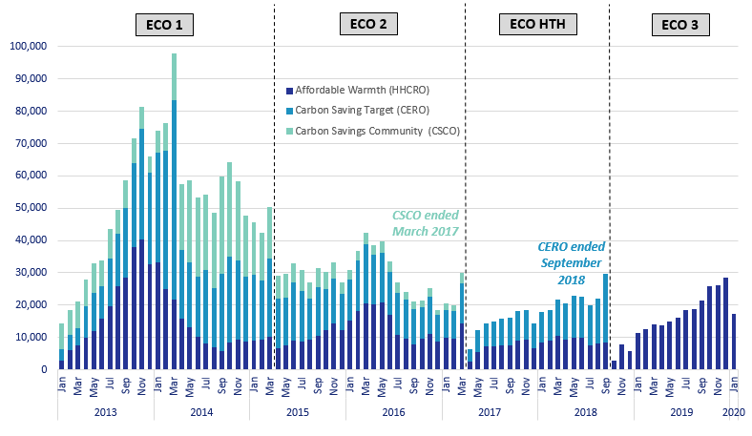
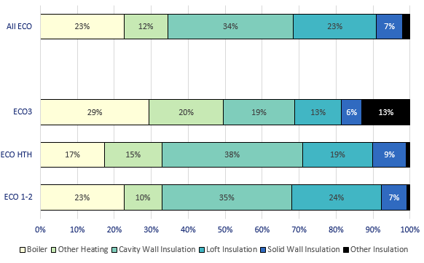

Chart 3: ECO measures by main fuel type of property, by quarter, up to end December 2019 | Chart 2b: Share of all Affordable Warmth measures, by measure type, by ECO phase, up to end January 2020

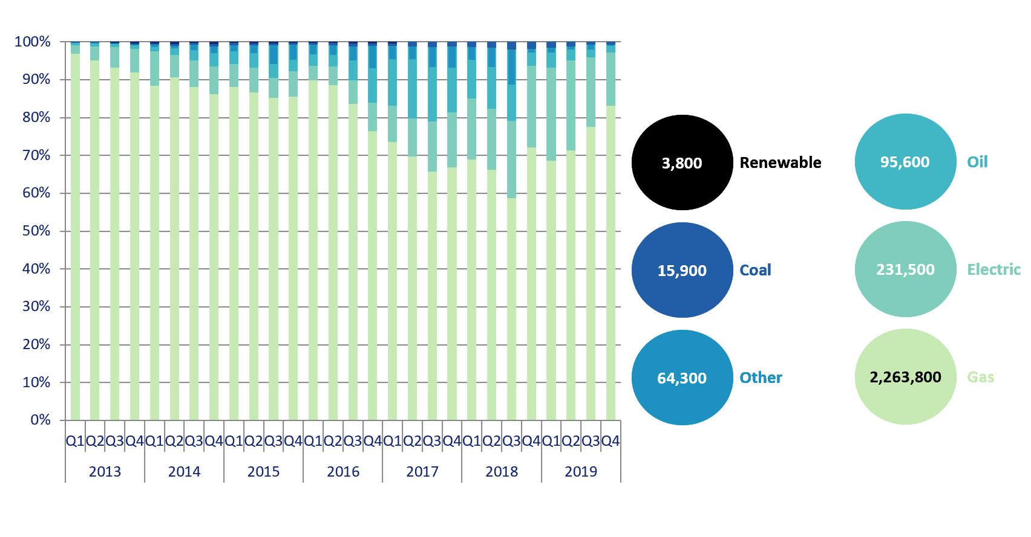
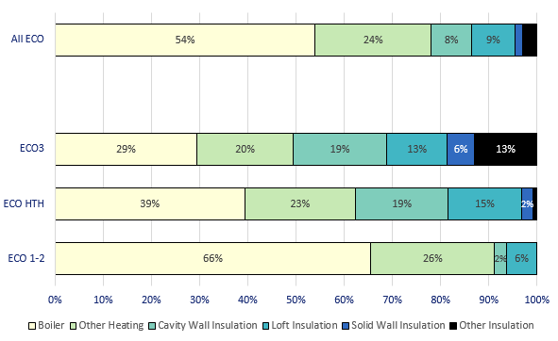

Chart 4: Estimated lifetime bill savings for Affordable Warmth measures, by installation quarter, up to end December 2019 | Chart 5: Number of ECO3 Flexible Eligibility Measures by installation month and share of Affordable Warmth obligation delivered through flex, up to end January 2020

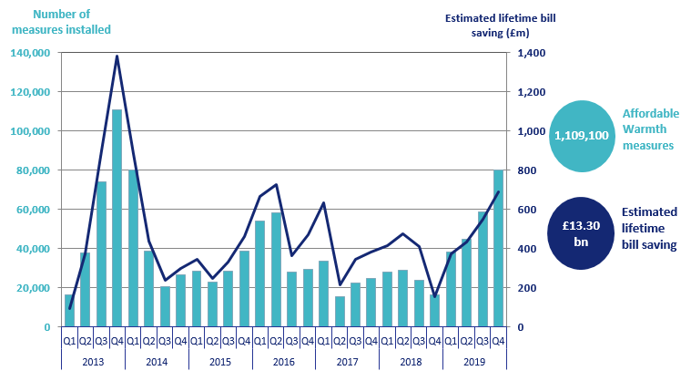
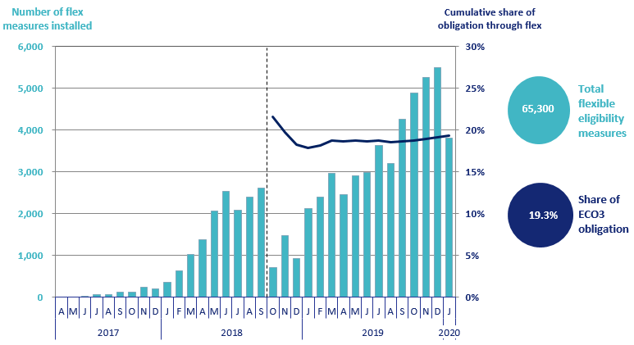

Chart 6: Green Deal Plans, by ‘Live’ or ‘Completed’ status, by quarter, up to end December 2019 | Chart 7: Homes that have had an improvement measure, up to end December 2019

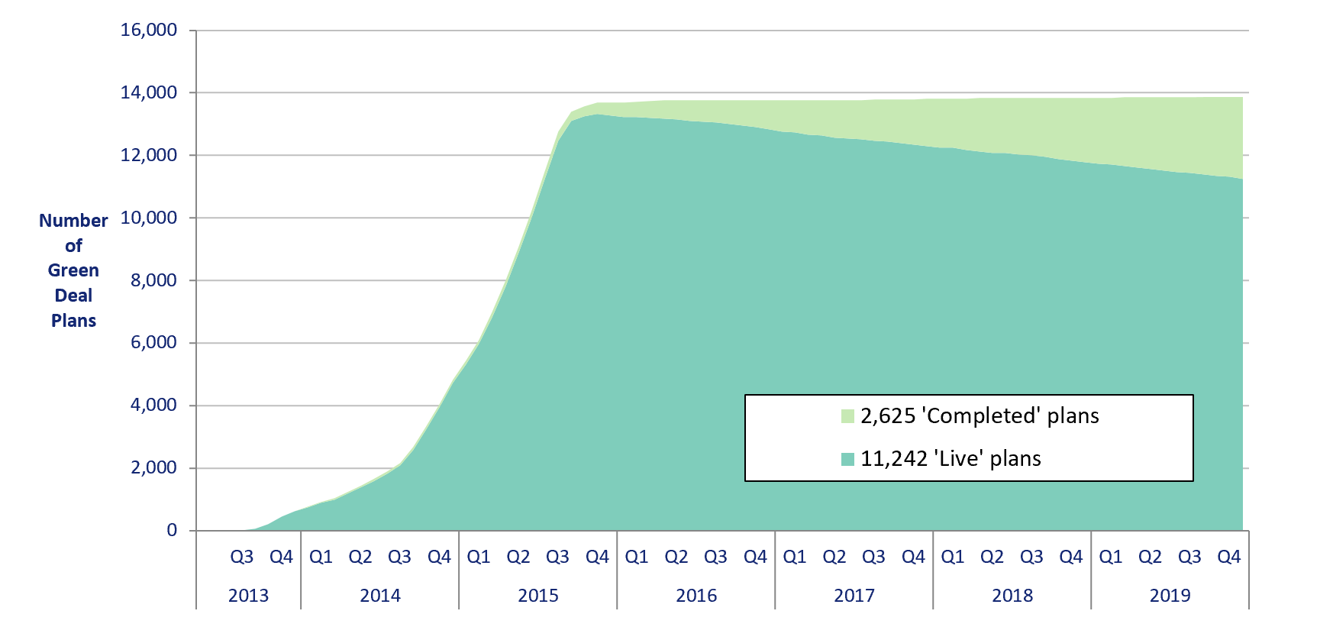
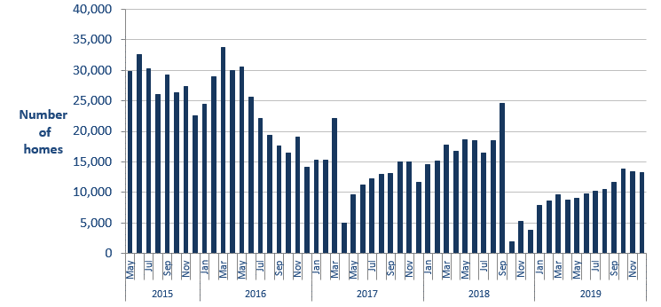

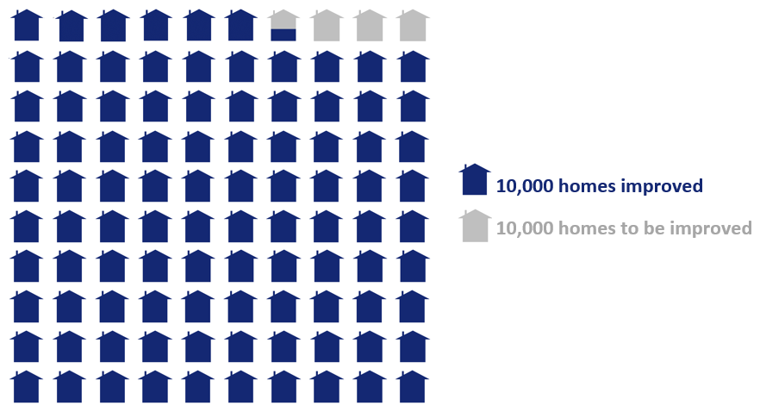
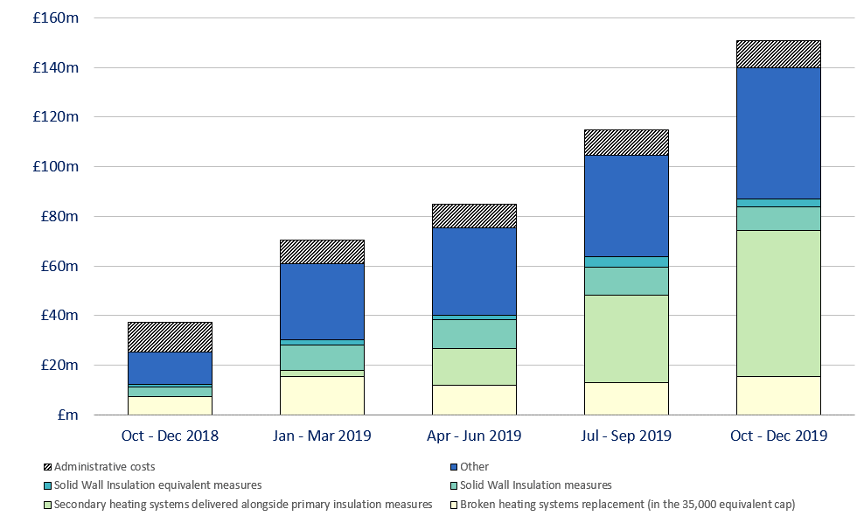
Infographic 1: Proportion of the 1 million homes target achieved, up to end December 2019 | Chart 8: ECO3 costs, by cost type, by quarter, up to end December 2019

Infographic 2: ECO measures by measure type, up to end January 2020 | Infographic 3: ECO measures by region, up to end December 2019

Map1
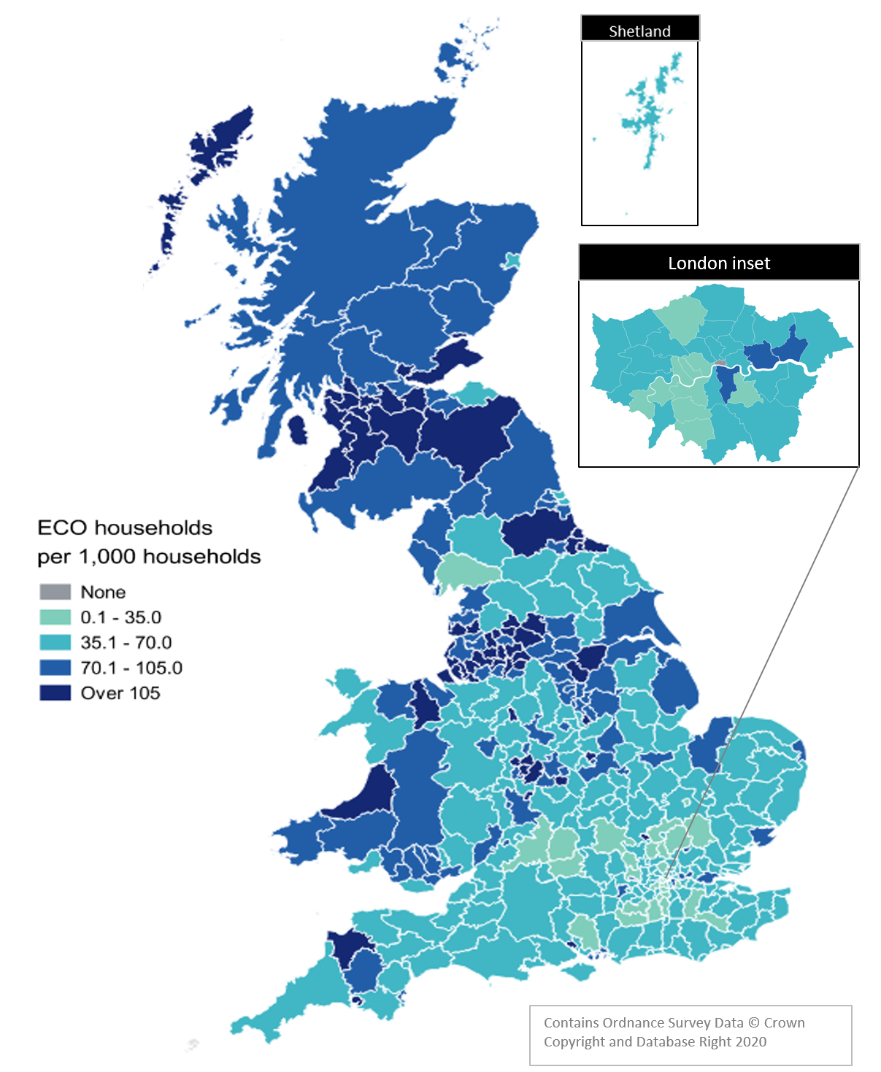
Map 1 – Households in receipt of ECO measures by Local Authority per 1,000 households, up to end December 2019

Map1a
Map 1a: ECO Measures per 1,000 household, by measure type and Local Authority, up to end December 2019

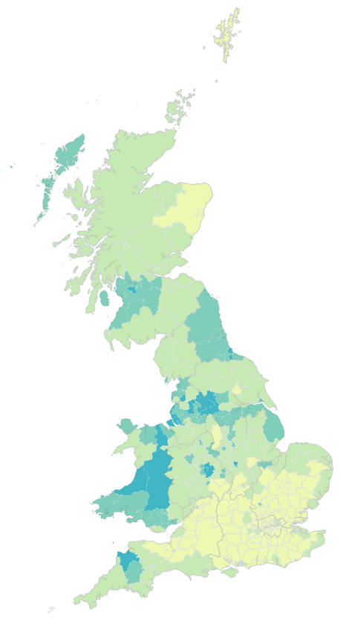
Boilers
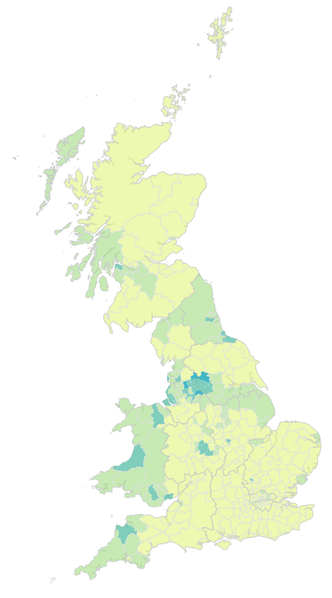
Other Heating
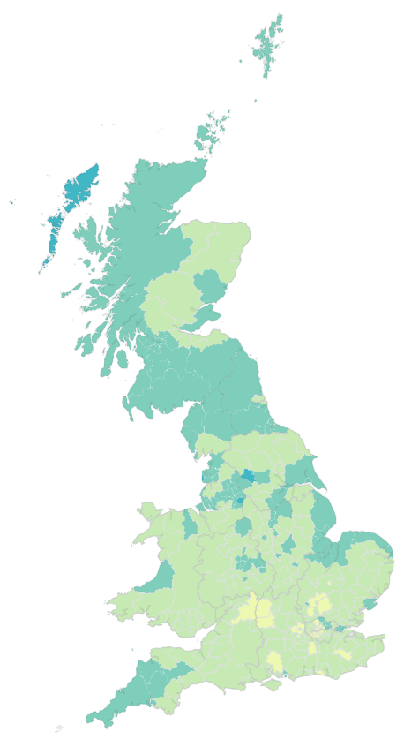
Loft Insulation
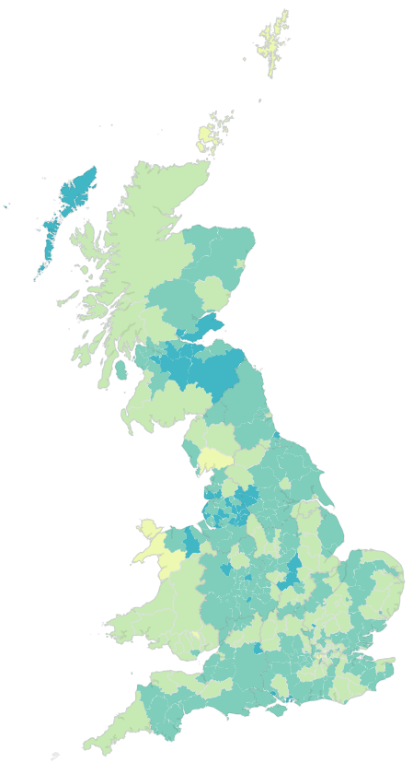
CWI
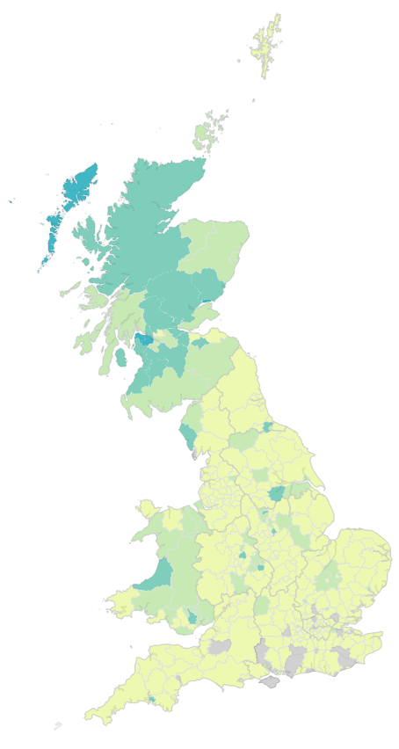
SWI
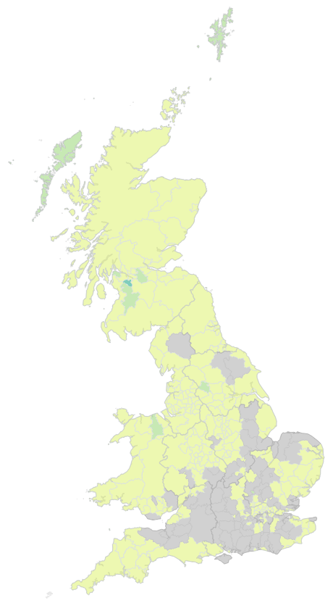
Other Insulation

Contains Ordnance Survey Data © Crown Copyright and Database Right 2020
Measures per 1,000 households:
 | None
 | 0.1 to 9.9
 | 10 to 24.9
 | 25 to 49.9
 | 50 or more

Map2
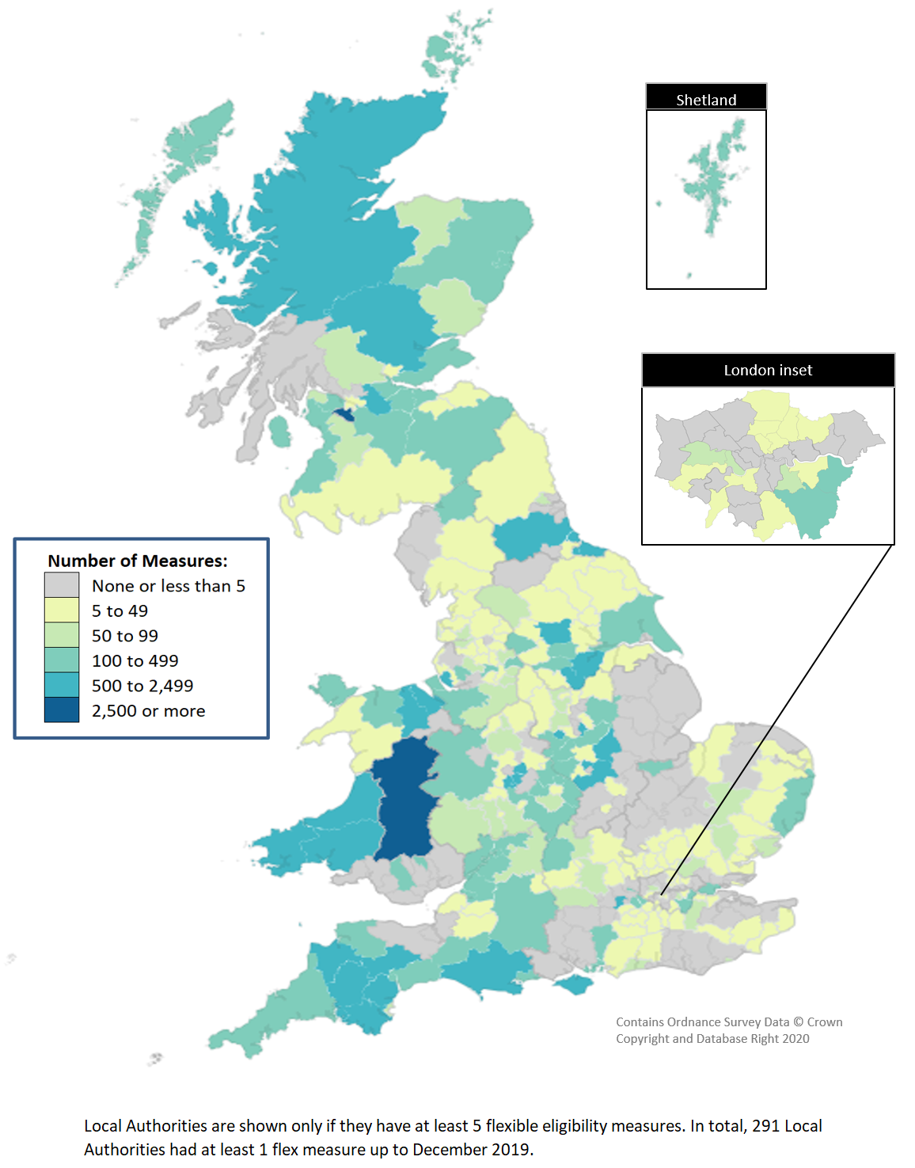
Map 2 - ECO measures installed through Flexible Eligibility, by Local Authority (April 2017 - December 2019)

